Notes
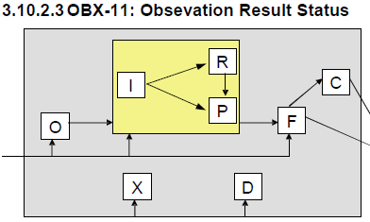
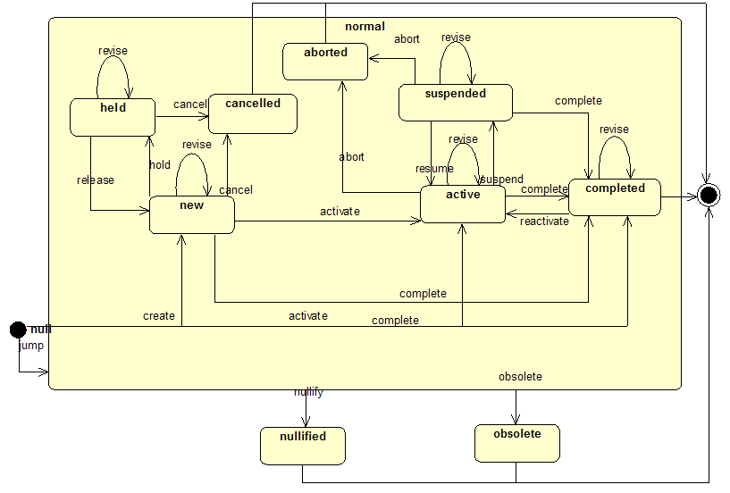
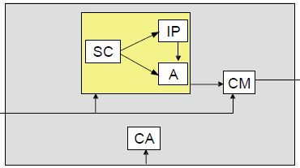
Questions
V3
"V2 reference" sections of V3 specification (Lab 2.4 ff) unclear; possibly unfinished. Awaiting clarification from A Kriesler. 7/24: clarification not forthcoming: bring to O&O call. | 7/5 proceeding with assumption it's unfinished.
V3 State model (Lab 1.1) does not include values probably needed for superseded results (obsolete) or orders (new, held, cancelled). Do we care? | Plan to use full state model, not V3 lab redaction
V2
Does "Some, but not all, results available" mean "expect more" or "that's all you're getting"?
Does "Partial results" mean "expect more" or "that's all you're getting"? | 7/11 call judged (OBR-25: F + OBX-11: P) to mean "that's all you're getting"--OBX-11 semantics may depend on OBR-25 value.
How does "Order was discontinued" differ from "Order was cancelled"? Similar to "aborted" (in process)?
Does "No results available; specimen received, procedure incomplete" mean "expect more" or "that's all you're getting"?
Does "Results cannot be obtained for this observation" mean "Wait, that could change" or "that's all you're getting"?
What is the cardinality between ORC and ORB, and how do congruent statuses behave? I.e., if cancellation is handled at the ORC level, why is it also reported at the OBR level? | Cardinality may be 0:1, 1:0, or 1:1; not more.
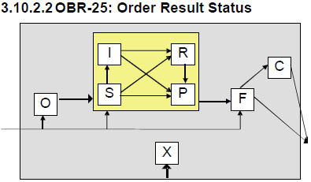
What is the relationship between ORC-1, order control, and ORC-5, order status? They have many overlapping values. | ORC-1 is the interaction. Some OBX values overlap, but we have decided not to use them. Related question: for an interoperability model, do we need the interactions?
Should "Specimen in lab; results pending" be considered a query response? I.e., would it be stored for an observation not yet attempted?

IHE
What is status of IHE document? Do all (most? any?) labs implement or conform to IHE expectations? | The rule seems incorrect: we will ignore it.

Decisions
Split status into two parts: V3 state and more granular 'status modifier'
Assign all valid V2 combinations to a V3 state
Query and command "status" values from V2 will not be modeled

